Nichrome Wire Caluclator
Nichrome constants & parameters
resistivity | 1.10E-06 |  |  |  | For pulse width modulation of either a constant current or constant voltage supply, the temperature rise is approximately proportional to the square of the duty cycle. For example, compared to 100% duty cycle, 50% duty cycle yields 25% temperature rise. This approximation holds true, ±10%, for ΔT < 600°C.
Density | 8400 | k/m³
Specific Heat Capacity | 460 | J/kg·°C
Starting Temperature | 20 | °C
Target Temperature | 270
ΔT | 250
Distance | 1.2 | m
Supply Voltage | 19.50 | V

Standard values |  |  |  |  |  | electrical properties
Gauge(AWG) | Diameter (mm) | Cross-Section Area (m^2) | surface area m^2 | Volume (M^3) | Mass (kg) | Resistance (Ω/m) | Current Draw | Power | Heat Energy Required (j) | Time to Target Temperature
18 | 1.024 | 8.2354966458E-07 | 0.0038603890527 | 9.882595975E-07 | 0.008301380619 | 1.34 | 12.16607459 | 237.23845451 | 954.65877118 | 4.0240473373
19 | 0.91 | 6.5038821911E-07 | 0.0034306191777 | 7.8046586293E-07 | 0.0065559132486 | 1.69 | 9.6080077823 | 187.35615175 | 753.93002359 | 4.0240473373
20 | 0.812 | 5.1784756665E-07 | 0.0030611678817 | 6.2141707998E-07 | 0.0052199034718 | 2.12 | 7.6500208709 | 149.17540698 | 600.28889926 | 4.0240473373
21 | 0.72 | 4.0715040791E-07 | 0.0027143360527 | 4.8858048949E-07 | 0.0041040761117 | 2.70 | 6.014721935 | 117.28707773 | 471.96875284 | 4.0240473373
22 | 0.644 | 3.2573289269E-07 | 0.0024278228027 | 3.9087947123E-07 | 0.0032833875584 | 3.38 | 4.8119631875 | 93.833282157 | 377.58956921 | 4.0240473373
23 | 0.574 | 2.5876984528E-07 | 0.0021639290198 | 3.1052381434E-07 | 0.0026084000405 | 4.25 | 3.8227363508 | 74.54335884 | 299.96600465 | 4.0240473373
24 | 0.511 | 2.0508395382E-07 | 0.0019264246152 | 2.4610074459E-07 | 0.0020672462546 | 5.36 | 3.0296493179 | 59.078161698 | 237.73331927 | 4.0240473373
25 | 0.45 | 1.5904312809E-07 | 0.0016964600329 | 1.9085175371E-07 | 0.0016031547311 | 6.92 | 2.3495007558 | 45.815264739 | 184.36279408 | 4.0240473373
26 | 0.405 | 1.2882493375E-07 | 0.0015268140296 | 1.545899205E-07 | 0.0012985553322 | 8.54 | 1.9030956122 | 37.110364439 | 149.3338632 | 4.0240473373
27 | 0.361 | 1.0235387405E-07 | 0.0013609379375 | 1.2282464886E-07 | 0.0010317270504 | 10.75 | 1.5120458667 | 29.4848944 | 118.6486108 | 4.0240473373
28 | 0.321 | 8.0928212155E-08 | 0.0012101414902 | 9.7113854586E-08 | 0.00081575637852 | 13.59 | 1.1955304068 | 23.312842933 | 93.81198353 | 4.0240473373
29 | 0.285 | 6.3793965822E-08 | 0.0010744246875 | 7.6552758986E-08 | 0.00064304317549 | 17.24 | 0.94241085873 | 18.377011745 | 73.949965181 | 4.0240473373
30 | 0.255 | 5.1070515575E-08 | 0.000961327352 | 6.128461869E-08 | 0.000514790797 | 21.54 | 0.75445079827 | 14.711790566 | 59.200941654 | 4.0240473373

pink = selected size
green = initial posable size

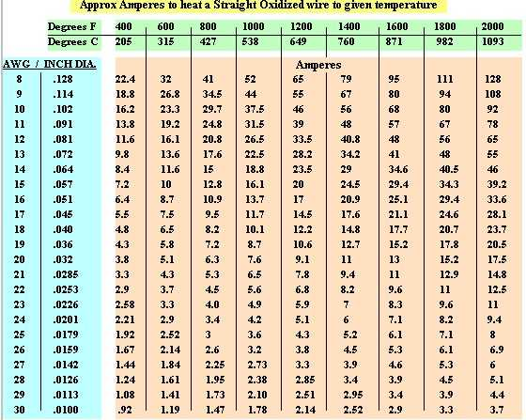

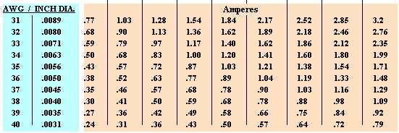

https://wiretron.com/nichrome-resistance-informational-charts/

